PINOUT
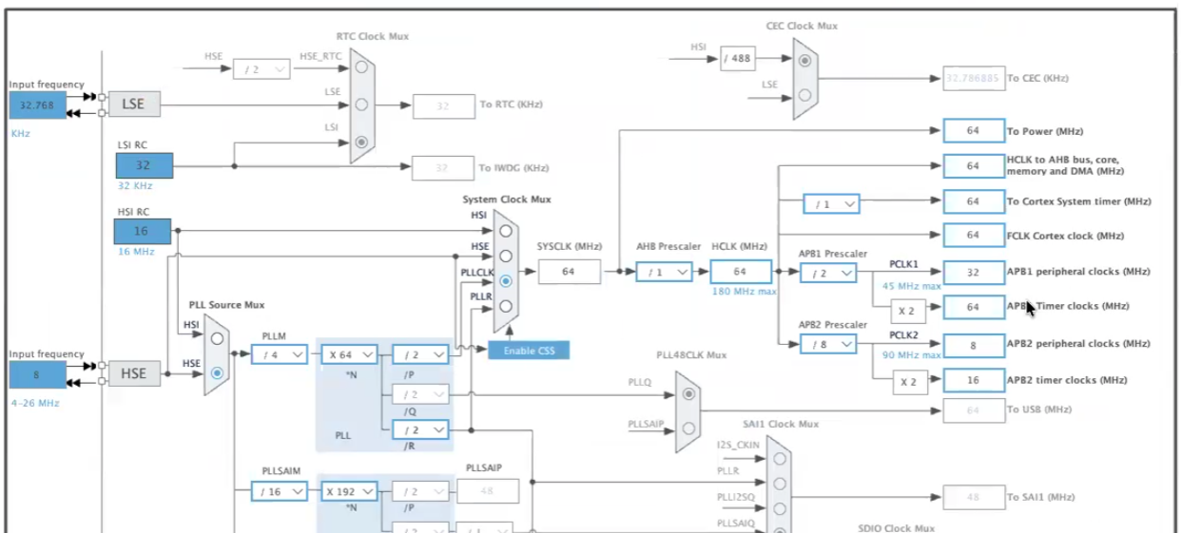

 |  |  | PC9
UART5 TX | UART5 RX |  | PB8
 |  |  | PB9 | UART3 RX
 |  |  | AVDD
 |  |  | GND
 |  | SCK PT | PA5
 |  | MISO PT | PA6
 | 3.3v PT | MOSI PT | PA7
 |  | CS PT | PB6
 |  |  | PC7
 | GND PT | UART1 TX | PA9

 |  | UART3 TX

 | DC PT
 | CS PT | UART1 RX
 | RESET PT | UART2 TX
 |  | UART2 RX

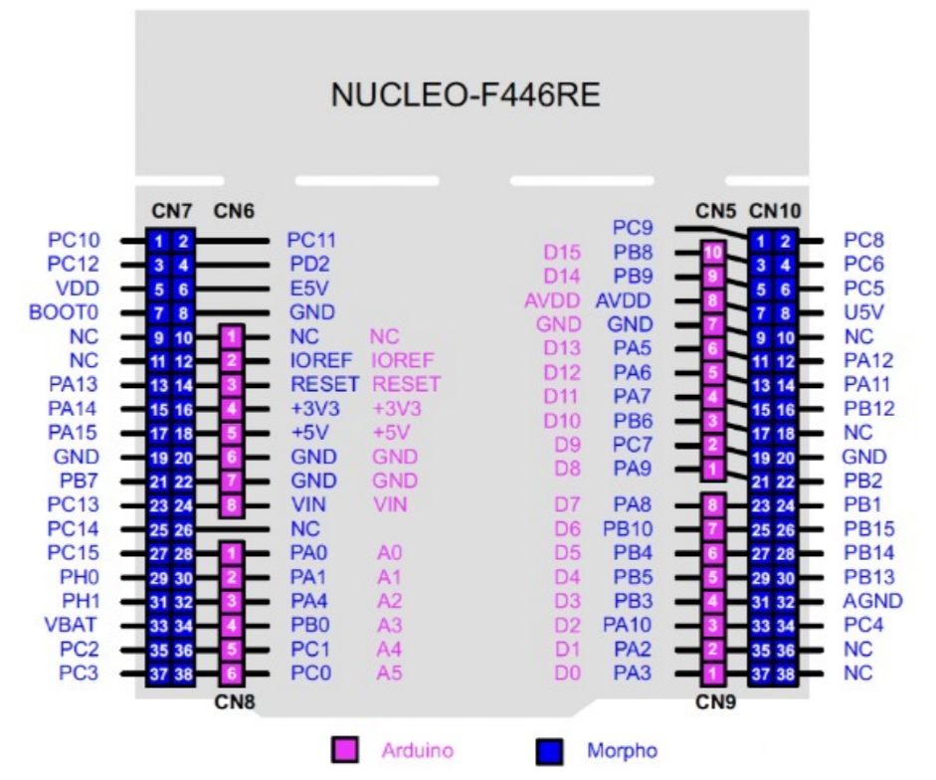

 | 3.3V BOCINA

 | GND BOCINA

 | PWM BOCINA

Timer
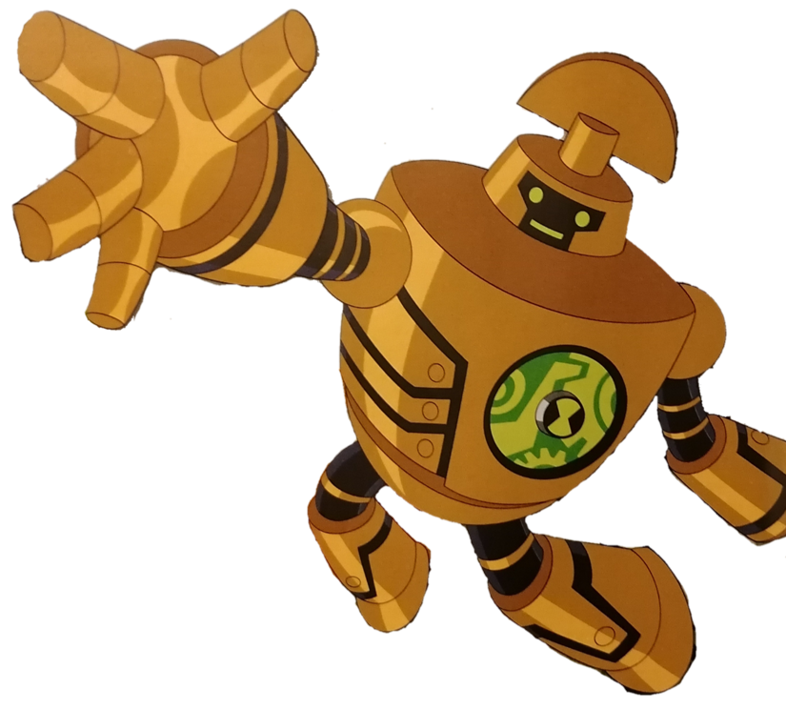
TIMER |  |  |  |  |  |  |  | TIMERS | Bits | tipo | MHz MAX
Timer | TIM7 |  |  |  |  |  |  | TIM1 | 16 | APB2 | 180
Tamaño | 16 | bits | 65536 |  |  |  |  | TIM2 | 32 | APB1 | 90
 |  |  |  |  |  |  |  | TIM3 | 16 | APB1 | 90
INTERFACE |  |  |  |  |  |  |  | TIM4 | 16 | APB1 | 90
Tipo | APB1 |  |  |  |  |  |  | TIM5 | 32 | APB1 | 90
MAX | 45 |  | MHz |  |  |  |  | TIM6 | 16 | APB1 | 90
Utilizando: |  |  |  |  |  |  |  | TIM7 | 16 | APB1 | 90
Main CLK | 48 |  | MHz |  |  |  |  | TIM8 | 16 | APB2 | 180
 | 48000000 |  | Hz |  |  |  |  | TIM9 | 16 | APB2 | 180
 |  |  |  |  |  |  |  | TIM10 | 16 | APB2 | 180
PRESCALER |  |  |  |  | TIMER MAX |  |  | TIM11 | 16 | APB2 | 180
Prescaler | 16000 |  |  |  | MAX seg | 21.845333333 | seg | TIM12 | 16 | APB1 | 90
 | 3000 |  | Hz |  | MAX Hour | 0.01 | h | TIM13 | 16 | APB1 | 90
seg entre pulso | 0.00033333333333 |  | seg |  | MAX day | 0.00 | day | TIM14 | 16 | APB1 | 90

DESIRE TIME
D Time | 250 |  | mseg
 | 0.25 |  | seg
En Hz | 4 |  | Hz

PERIOD
TIM_ARR | 749
TIM_ARR | 0.24965104 |  | seg

RESULTS
TIM_Prescaler | 16000 |  | -1
TIM_ARR | 749 |  | -1 | ✅

PWM
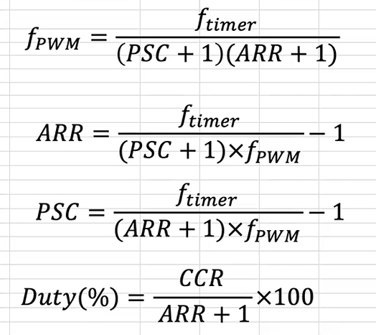

TIMER
Timer | TIM1 |  |  |  |  |  |  |  |  | TIMERS | Bits | tipo | MHz MAX
Tamaño | 16 | bits | 65536 |  |  |  |  |  |  | TIM1 | 16 | APB2 | 180
 |  |  |  |  |  |  |  |  |  | TIM2 | 32 | APB1 | 90
INTERFACE |  |  |  |  |  |  |  |  |  | TIM3 | 16 | APB1 | 90
Tipo | APB2 |  |  |  |  |  |  |  |  | TIM4 | 16 | APB1 | 90
MAX | 90 |  | MHz |  |  |  |  |  |  | TIM5 | 32 | APB1 | 90
Utilizando: |  |  |  |  |  |  |  |  |  | TIM8 | 16 | APB2 | 180
Main CLK | 84 |  | MHz |  |  |  |  |  |  | TIM9 | 16 | APB2 | 180
 | 84000000 |  | Hz |  |  |  |  |  |  | TIM10 | 16 | APB2 | 180
 |  |  |  |  |  |  |  |  |  | TIM11 | 16 | APB2 | 180
PRESCALER |  |  |  |  |  |  |  |  |  | TIM12 | 16 | APB1 | 90
Prescaler | 84 |  |  |  |  |  |  |  |  | TIM13 | 16 | APB1 | 90
 | 1000000 |  | Hz |  |  |  |  |  |  | TIM14 | 16 | APB1 | 90
seg entre pulso | 0.000001 |  | seg

Tiempo de evento
T Update | 10 |  | mseg
 | 0.01 |  | seg
En Hz | 100 |  | Hz
 |  |  |  |  | CH#1 |  |  |  |  | CH#1
PERIOD |  |  |  |  | Pulso con mS |  |  | Pulso con Duty Cycle
TIM_ARR | 9881 |  |  |  | pulso mS | 5 | mS | pulso mS | 5.03949 | mS
TIM_ARR | 0.00988135 |  | seg |  | pulso seg | 0.005 | seg | pulso seg | 0.00503949 | seg
 |  |  |  |  | freq. | 200 | Hz | freq. | 198.43 | Hz
RESULTS |  |  |  |  | RESULTS |  |  | RESULTS
TIM_Prescaler | 84 |  | -1 |  | CCRx | 5000 |  | CCRx | 5039
TIM_ARR | 9881 |  | -1 | ✅ | Duty% | 51% |  | Duty% | 51%
 |  |  |  |  | CH#2 |  |  |  |  | CH#2
 |  |  |  |  | Pulso con mS |  |  | Pulso con Duty Cycle
 |  |  |  |  | pulso mS | 5 | mS | pulso mS | 5.03949 | mS
 |  |  |  |  | pulso seg | 0.005 | seg | pulso seg | 0.00503949 | seg
 |  |  |  |  | freq. | 200 | Hz | freq. | 198.43 | Hz
 |  |  |  |  | RESULTS |  |  | RESULTS
 |  |  |  |  | CCRx | 5000 |  | CCRx | 5039
 |  |  |  |  | Duty% | 51% |  | Duty% | 51%
 |  |  |  |  | CH#3 |  |  |  |  | CH#3
 |  |  |  |  | Pulso con mS |  |  | Pulso con Duty Cycle
 |  |  |  |  | pulso mS | 5 | mS | pulso mS | 5.03949 | mS
 |  |  |  |  | pulso seg | 0.005 | seg | pulso seg | 0.00503949 | seg
 |  |  |  |  | freq. | 200 | Hz | freq. | 198.43 | Hz
 |  |  |  |  | RESULTS |  |  | RESULTS
 |  |  |  |  | CCRx | 5000 |  | CCRx | 5039
 |  |  |  |  | Duty% | 51% |  | Duty% | 51%

BUZZER
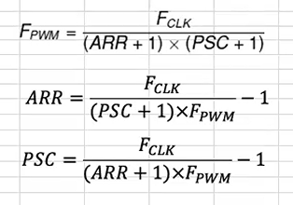
Fclk | 84 | MHz |  |  | TIMER |  |  |  |  |  |  |  | Frecuencias de notas en Hz
 | 84000000 | Hz |  |  | Timer | TIM1 |  |  |  |  |  |  | Note | Octave 0 | Octave 1 | Octave 2 | Octave 3 | Octave 4 | Octave 5 | Octave 6 | Octave 7 | Octave 8 | Octave 9
 |  |  |  |  | Tamaño | 16 | bits | 65536 |  |  |  |  | Do | 16.3516 | 32.7032 | 65.4064 | 130.813 | 261.626 | 523.251 | 1046.5 | 2093 | 4186.01 | 8372.018
ARR | 100 |  | ✅ |  |  |  |  |  |  |  |  |  | Do#/Reb | 17.3239 | 34.6479 | 69.2957 | 138.591 | 277.183 | 554.365 | 1108.73 | 2217.46 | 4434.92 | 8869.884
 |  |  |  |  | INTERFACE |  |  |  |  |  |  |  | Re | 18.354 | 36.7081 | 73.4162 | 146.832 | 293.665 | 587.33 | 1174.66 | 2349.32 | 4698.69 | 9397.273
 |  |  |  |  | Tipo | APB2 |  |  |  |  |  |  | Re#/Mib | 19.4454 | 38.8909 | 77.7817 | 155.563 | 311.127 | 622.254 | 1244.51 | 2489.02 | 4978.04 | 9956.063
 |  |  |  |  | MAX | 90 |  | MHz |  |  |  |  | Mi | 20.6017 | 41.2035 | 82.4069 | 164.814 | 329.628 | 659.255 | 1318.51 | 2637.02 | 5274.04 | 10548.082
 |  |  |  |  | Utilizando: |  |  |  |  |  |  |  | Fa | 21.8268 | 43.6536 | 87.3071 | 174.614 | 349.228 | 698.456 | 1396.91 | 2793.83 | 5587.65 | 11175.303
Note | Note_Name | Fpwm | PRE | Define | Main CLK | 84 |  | MHz |  |  |  |  | Fa#/Solb | 23.1246 | 46.2493 | 92.4986 | 184.997 | 369.994 | 739.989 | 1479.98 | 2959.96 | 5919.92 | 11839.822
Do | NOTE_C0 | 16 | 50861 | #define NOTE_C0 50861 |  | 84000000 |  | Hz |  |  |  |  | Sol | 24.4997 | 48.9995 | 97.9989 | 195.998 | 391.995 | 783.991 | 1567.98 | 3135.96 | 6271.92 | 12543.854
Do#/Reb | NOTE_CS0 | 17 | 48007 | #define NOTE_CS0 48007 |  |  |  |  |  |  |  |  | Sol#/Lab | 25.9565 | 51.913 | 103.826 | 207.652 | 415.305 | 830.609 | 1661.22 | 3322.44 | 6644.88 | 13289.75
Re | NOTE_D0 | 18 | 45312 | #define NOTE_D0 45312 | PRESCALER |  |  |  |  |  |  |  | La | 27.5 | 55 | 110 | 220 | 440 | 880 | 1760 | 3520 | 7040 | 14080
Re#/Mib | NOTE_DS0 | 19 | 42769 | #define NOTE_DS0 42769 | Prescaler | 101 |  |  |  |  |  |  | La#/Sib | 29.1353 | 58.2705 | 116.541 | 233.082 | 466.164 | 932.328 | 1864.66 | 3729.31 | 7458.62 | 14917.24
Mi | NOTE_E0 | 21 | 40369 | #define NOTE_E0 40369 |  | 831683.16832 |  | Hz |  |  |  |  | Si | 30.8677 | 61.7354 | 123.471 | 246.942 | 493.883 | 987.767 | 1975.53 | 3951.07 | 7902.14 | 15804.266
Fa | NOTE_F0 | 22 | 38103 | #define NOTE_F0 38103 | seg entre pulso | 1.2023809524E-06 |  | seg
Fa#/Solb | NOTE_FS0 | 23 | 35964 | #define NOTE_FS0 35964
Sol | NOTE_G0 | 24 | 33946 | #define NOTE_G0 33946 | Tiempo de evento |  |  |  |  |  |  |  |  | #define NOTE_C0
Sol#/Lab | NOTE_GS0 | 26 | 32040 | #define NOTE_GS0 32040 | T Update | 20 |  | mseg |  |  |  |  |  | #define NOTE_CS0
La | NOTE_A0 | 28 | 30242 | #define NOTE_A0 30242 |  | 0.02 |  | seg |  |  |  |  |  | #define NOTE_D0
La#/Sib | NOTE_AS0 | 29 | 28545 | #define NOTE_AS0 28545 | En Hz | 50 |  | Hz |  |  |  |  |  | #define NOTE_DS0
Si | NOTE_B0 | 31 | 26942 | #define NOTE_B0 26942 |  |  |  |  |  | CH#1 |  |  |  | #define NOTE_E0
Do | NOTE_C1 | 33 | 25430 | #define NOTE_C1 25430 | PERIOD |  |  |  |  | Pulso con mS |  |  |  | #define NOTE_F0
Do#/Reb | NOTE_CS1 | 35 | 24003 | #define NOTE_CS1 24003 | TIM_ARR | 16470 |  |  |  | pulso mS | 1.5 | mS |  | #define NOTE_FS0
Re | NOTE_D1 | 37 | 22656 | #define NOTE_D1 22656 | TIM_ARR | 0.01980272 |  | seg |  | pulso seg | 0.0015 | seg |  | #define NOTE_G0
Re#/Mib | NOTE_DS1 | 39 | 21384 | #define NOTE_DS1 21384 |  |  |  |  |  | freq. | 666.66666667 | Hz |  | #define NOTE_GS0
Mi | NOTE_E1 | 41 | 20184 | #define NOTE_E1 20184 | RESULTS |  |  |  |  | RESULTS |  |  |  | #define NOTE_A0
Fa | NOTE_F1 | 44 | 19051 | #define NOTE_F1 19051 | TIM_Prescaler | 101 |  | -1 |  | CCRx | 1248 |  |  | #define NOTE_AS0
Fa#/Solb | NOTE_FS1 | 46 | 17982 | #define NOTE_FS1 17982 | TIM_ARR | 16470 |  | -1 | ✅ | Duty% | 8% |  |  | #define NOTE_B0
Sol | NOTE_G1 | 49 | 16972 | #define NOTE_G1 16972
Sol#/Lab | NOTE_GS1 | 52 | 16020 | #define NOTE_GS1 16020
La | NOTE_A1 | 55 | 15121 | #define NOTE_A1 15121
La#/Sib | NOTE_AS1 | 58 | 14272 | #define NOTE_AS1 14272
Si | NOTE_B1 | 62 | 13471 | #define NOTE_B1 13471
Do | NOTE_C2 | 65 | 12715 | #define NOTE_C2 12715
Do#/Reb | NOTE_CS2 | 69 | 12001 | #define NOTE_CS2 12001
Re | NOTE_D2 | 73 | 11327 | #define NOTE_D2 11327
Re#/Mib | NOTE_DS2 | 78 | 10692 | #define NOTE_DS2 10692
Mi | NOTE_E2 | 82 | 10091 | #define NOTE_E2 10091
Fa | NOTE_F2 | 87 | 9525 | #define NOTE_F2 9525
Fa#/Solb | NOTE_FS2 | 92 | 8990 | #define NOTE_FS2 8990
Sol | NOTE_G2 | 98 | 8486 | #define NOTE_G2 8486
Sol#/Lab | NOTE_GS2 | 104 | 8009 | #define NOTE_GS2 8009
La | NOTE_A2 | 110 | 7560 | #define NOTE_A2 7560
La#/Sib | NOTE_AS2 | 117 | 7135 | #define NOTE_AS2 7135
Si | NOTE_B2 | 123 | 6735 | #define NOTE_B2 6735
Do | NOTE_C3 | 131 | 6357 | #define NOTE_C3 6357
Do#/Reb | NOTE_CS3 | 139 | 6000 | #define NOTE_CS3 6000
Re | NOTE_D3 | 147 | 5663 | #define NOTE_D3 5663
Re#/Mib | NOTE_DS3 | 156 | 5345 | #define NOTE_DS3 5345
Mi | NOTE_E3 | 165 | 5045 | #define NOTE_E3 5045
Fa | NOTE_F3 | 175 | 4762 | #define NOTE_F3 4762
Fa#/Solb | NOTE_FS3 | 185 | 4495 | #define NOTE_FS3 4495
Sol | NOTE_G3 | 196 | 4242 | #define NOTE_G3 4242
Sol#/Lab | NOTE_GS3 | 208 | 4004 | #define NOTE_GS3 4004
La | NOTE_A3 | 220 | 3779 | #define NOTE_A3 3779
La#/Sib | NOTE_AS3 | 233 | 3567 | #define NOTE_AS3 3567
Si | NOTE_B3 | 247 | 3367 | #define NOTE_B3 3367
Do | NOTE_C4 | 262 | 3178 | #define NOTE_C4 3178
Do#/Reb | NOTE_CS4 | 277 | 2999 | #define NOTE_CS4 2999
Re | NOTE_D4 | 294 | 2831 | #define NOTE_D4 2831
Re#/Mib | NOTE_DS4 | 311 | 2672 | #define NOTE_DS4 2672
Mi | NOTE_E4 | 330 | 2522 | #define NOTE_E4 2522
Fa | NOTE_F4 | 349 | 2380 | #define NOTE_F4 2380
Fa#/Solb | NOTE_FS4 | 370 | 2247 | #define NOTE_FS4 2247
Sol | NOTE_G4 | 392 | 2121 | #define NOTE_G4 2121
Sol#/Lab | NOTE_GS4 | 415 | 2002 | #define NOTE_GS4 2002
La | NOTE_A4 | 440 | 1889 | #define NOTE_A4 1889
La#/Sib | NOTE_AS4 | 466 | 1783 | #define NOTE_AS4 1783
Si | NOTE_B4 | 494 | 1683 | #define NOTE_B4 1683
Do | NOTE_C5 | 523 | 1588 | #define NOTE_C5 1588
Do#/Reb | NOTE_CS5 | 554 | 1499 | #define NOTE_CS5 1499
Re | NOTE_D5 | 587 | 1415 | #define NOTE_D5 1415
Re#/Mib | NOTE_DS5 | 622 | 1336 | #define NOTE_DS5 1336
Mi | NOTE_E5 | 659 | 1261 | #define NOTE_E5 1261
Fa | NOTE_F5 | 698 | 1190 | #define NOTE_F5 1190
Fa#/Solb | NOTE_FS5 | 740 | 1123 | #define NOTE_FS5 1123
Sol | NOTE_G5 | 784 | 1060 | #define NOTE_G5 1060
Sol#/Lab | NOTE_GS5 | 831 | 1000 | #define NOTE_GS5 1000
La | NOTE_A5 | 880 | 944 | #define NOTE_A5 944
La#/Sib | NOTE_AS5 | 932 | 891 | #define NOTE_AS5 891
Si | NOTE_B5 | 988 | 841 | #define NOTE_B5 841
Do | NOTE_C6 | 1047 | 794 | #define NOTE_C6 794
Do#/Reb | NOTE_CS6 | 1109 | 749 | #define NOTE_CS6 749
Re | NOTE_D6 | 1175 | 707 | #define NOTE_D6 707
Re#/Mib | NOTE_DS6 | 1245 | 667 | #define NOTE_DS6 667
Mi | NOTE_E6 | 1319 | 630 | #define NOTE_E6 630
Fa | NOTE_F6 | 1397 | 594 | #define NOTE_F6 594
Fa#/Solb | NOTE_FS6 | 1480 | 561 | #define NOTE_FS6 561
Sol | NOTE_G6 | 1568 | 529 | #define NOTE_G6 529
Sol#/Lab | NOTE_GS6 | 1661 | 500 | #define NOTE_GS6 500
La | NOTE_A6 | 1760 | 472 | #define NOTE_A6 472
La#/Sib | NOTE_AS6 | 1865 | 445 | #define NOTE_AS6 445
Si | NOTE_B6 | 1976 | 420 | #define NOTE_B6 420
Do | NOTE_C7 | 2093 | 396 | #define NOTE_C7 396
Do#/Reb | NOTE_CS7 | 2217 | 374 | #define NOTE_CS7 374
Re | NOTE_D7 | 2349 | 353 | #define NOTE_D7 353
Re#/Mib | NOTE_DS7 | 2489 | 333 | #define NOTE_DS7 333
Mi | NOTE_E7 | 2637 | 314 | #define NOTE_E7 314
Fa | NOTE_F7 | 2794 | 297 | #define NOTE_F7 297
Fa#/Solb | NOTE_FS7 | 2960 | 280 | #define NOTE_FS7 280
Sol | NOTE_G7 | 3136 | 264 | #define NOTE_G7 264
Sol#/Lab | NOTE_GS7 | 3322 | 249 | #define NOTE_GS7 249
La | NOTE_A7 | 3520 | 235 | #define NOTE_A7 235
La#/Sib | NOTE_AS7 | 3729 | 222 | #define NOTE_AS7 222
Si | NOTE_B7 | 3951 | 209 | #define NOTE_B7 209
Do | NOTE_C8 | 4186 | 198 | #define NOTE_C8 198
Do#/Reb | NOTE_CS8 | 4435 | 187 | #define NOTE_CS8 187
Re | NOTE_D8 | 4699 | 176 | #define NOTE_D8 176
Re#/Mib | NOTE_DS8 | 4978 | 166 | #define NOTE_DS8 166
Mi | NOTE_E8 | 5274 | 157 | #define NOTE_E8 157
Fa | NOTE_F8 | 5588 | 148 | #define NOTE_F8 148
Fa#/Solb | NOTE_FS8 | 5920 | 139 | #define NOTE_FS8 139
Sol | NOTE_G8 | 6272 | 132 | #define NOTE_G8 132
Sol#/Lab | NOTE_GS8 | 6645 | 124 | #define NOTE_GS8 124
La | NOTE_A8 | 7040 | 117 | #define NOTE_A8 117
La#/Sib | NOTE_AS8 | 7459 | 111 | #define NOTE_AS8 111
Si | NOTE_B8 | 7902 | 104 | #define NOTE_B8 104
Do | NOTE_C9 | 8372 | 98 | #define NOTE_C9 98
Do#/Reb | NOTE_CS9 | 8870 | 93 | #define NOTE_CS9 93
Re | NOTE_D9 | 9397 | 88 | #define NOTE_D9 88
Re#/Mib | NOTE_DS9 | 9956 | 83 | #define NOTE_DS9 83
Mi | NOTE_E9 | 10548 | 78 | #define NOTE_E9 78
Fa | NOTE_F9 | 11175 | 73 | #define NOTE_F9 73
Fa#/Solb | NOTE_FS9 | 11840 | 69 | #define NOTE_FS9 69
Sol | NOTE_G9 | 12544 | 65 | #define NOTE_G9 65
Sol#/Lab | NOTE_GS9 | 13290 | 62 | #define NOTE_GS9 62
La | NOTE_A9 | 14080 | 58 | #define NOTE_A9 58
La#/Sib | NOTE_AS9 | 14917 | 55 | #define NOTE_AS9 55
Si | NOTE_B9 | 15804 | 52 | #define NOTE_B9 52

